ORIGINAL (2)
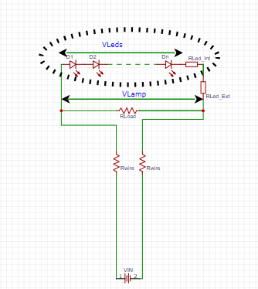
V supply [v] | 24
Is [A] | 0.23255813953
V lamp [v] | 2.5
I lamp [A] | 0.0113 | Vsingle led [Volt] | 2.5
P lamp [W] | 0.02825 | Vleds | 2.5
power wires [W] | 5 | Number of leds | 1
R wire [Ω] | 46.225 | Rleds_Int[Ohm] | 100
R LOAD [Ω] | 11.29901935
P load [W]] | 0.55314534884 | Rleds_Ext[Ohm] | 0
 |  | R(leds)Total [Ohm] | 100
 |  | RLoad[Ohm] | 4.7
 |  | R_Wire[Ohm] | 12.0 | Vin | 24
 |  | Vin[Volt] | 24 | Vref | 4.7
 |  | RRR | 2.98E+03 | R1 | 36333.678756
 |  |  |  | R2 | 149200
 |  | VLamp[Volt] | 3.88
 |  | ILed[Amp] | 0.014
 |  | Pleds[Watt] | 0.0344

 |  | PLoad[Watt] | 3.20
 |  | PWire[Watt] | 8.44
 |  | PR_Total | 0.0189

 |  | Iload [Amp] | 0.825
 |  | I[Amp] | 0.838

 |  | V_Wires[Volt] | 20.12

